Data & Calc
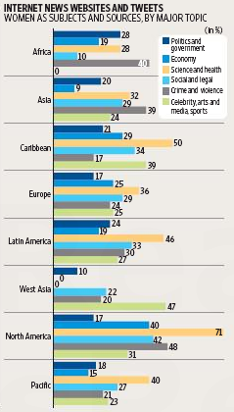
Internet News, Websites & Tweets by Topics and Regions |  |  |  |  |  | www.goodly.co.in/charting-exercise-solution-internet-news-tweets
 |  |  |  |  |  | all numbers in %
 | Topics
 | Politics | Economy | Science & Health | Social & Legal | Crime | Celeb
Africa | 14 | 14 | 14 | 13 | 37 | 32
Asia | 19 | 44 | 22 | 36 | 13 | 40
Caribbean | 0 | 17 | 24 | 18 | 32 | 22
Europe | 45 | 7 | 30 | 7 | 41 | 4
Latin America | 43 | 18 | 50 | 43 | 5 | 43
West Asia | 31 | 31 | 38 | 30 | 7 | 6
North America | 8 | 34 | 1 | 0 | 31 | 13
Pacific | 15 | 36 | 24 | 42 | 48 | 37

Selection | 2

Serial Nos | Regions | Values | Topics | Values
1 | Africa | #N/A | Politics | 45
2 | Asia | #N/A | Economy | 7
3 | Caribbean | #N/A | Science & Health | 30
4 | Europe | #N/A | Social & Legal | 7
5 | Latin America | #N/A | Crime | 41
6 | West Asia | #N/A | Celeb | 4
7 | North America | #N/A
8 | Pacific | #N/A

Who is the audience? And what will they be looking in the chart

Which region is the best in Politics ?
Or which are top 3 topics in asia ?

Dummy
www.goodly.co.in/charting-exercise-solution-internet-news-tweets
Region Wise
Topic Wise
 | Drop Down | Science & Health | Drop Down | North America
 | Politics
Africa | 14
Asia | 19
Caribbean | 0
Europe | 45
Latin America | 43
West Asia | 31
North America | 8
Pacific | 15
 | Asia
Politics | 19
Economy | 44
Science & Health | 22
Social & Legal | 36
Crime | 13
Celeb | 40

Chart
 | Chart Options

Internet News, Websites & Tweets for
 |  | Europe
Politics | 45
Economy | 7
Science & Health | 30
Social & Legal | 7
Crime | 41
Celeb | 4

 |  |  | numbers in %

www.goodly.co.in/charting-exercise-solution-internet-news-tweets

